Test summary report
 |  |  |  |  |  | No of test cases
EXECUTED | PASSED |  |  |  |  | 12
 | FAILED |  |  |  |  | 8
 | (TOTAL) TEST EXECUTED (passed+failed) |  |  |  |  | 20
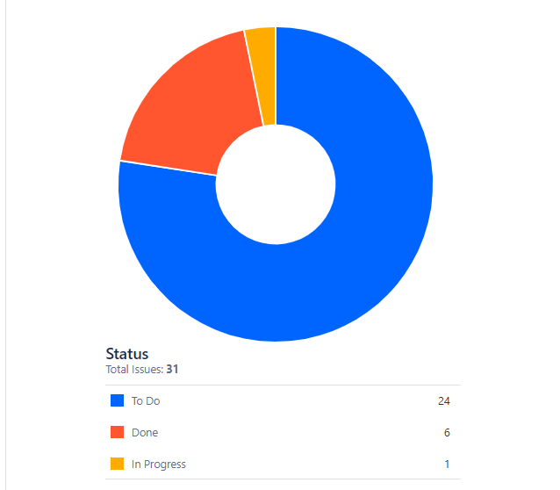
PENDING |  |  |  |  |  | 0
IN PROGRESS |  |  |  |  |  | 0
BLOCKED |  |  |  |  |  | 0
SUB TOTAL TEST PLANNED (PENDING+ IN PROGRESS+ BLOCKED +TEST EXECUTED) |  |  |  |  |  | 20

Functions | Description | TCs Executed | TCs passed | TCs failed | TCs pending | Priority | Remarks
Sign up | Sign Up/ Registration process in the application | 4 | 3 | 1 | 0 | High | Defects are added
Login | Login to the application with user name and password | 4 | 2 | 2 | 0 | High
Search and selection | Searching and selecting the product in the application | 4 | 2 | 2 | 0 | Highest | Defects are added
Buy Item | adding the cart in the application | 6 | 3 | 3 | 0 | High
Confirm Booking | Ordering the product | 2 | 2 | 0 | 0 | High | Defects are added
 |  |  |  |  |  |  |  | Status Pie-Chart

